Sheet1
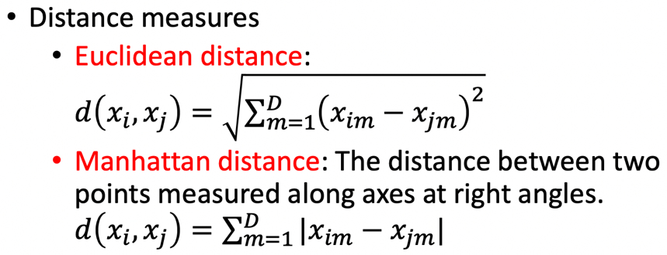
Name: Daksh Bhuva |  |  |  |  |  | Classify the test point
CWID: 10475468 |  |  |  |  |  | X | Y
Problem 4. K-nearest Neighbor Classification: |  |  |  |  |  | 5 | 4
Part I:
 |  |  |  |  |  | Q(1): 5-nearest neighbor |  |  | Q(2): Manhattan distance weighted 3-nearest neighbor
 | 2-dimensional dataset |  |  |  |  | Ranking using Euclidean Distance |  |  | Ranking using the weights
 | Point | X | Y | Class |  | Point | Distance | Rank | Point | Distance (d) | Weights (1/d^2) | Rank
 | 1 | 1 | 1 | - |  | 1 | 5 | 15 | 1 | 7 | 0.020408163265 | 16
 | 2 | 1 | 3 | - |  | 2 | 4.1231056256 | 10 | 2 | 5 | 0.04 | 7
 | 3 | 2 | 2 | - |  | 3 | 3.6055512755 | 6 | 3 | 5 | 0.04 | 7
 | 4 | 2 | 6 | - |  | 4 | 3.6055512755 | 6 | 4 | 5 | 0.04 | 7
 | 5 | 2 | 8 | + |  | 5 | 5 | 15 | 5 | 7 | 0.020408163265 | 16
 | 6 | 4 | 1 | - |  | 6 | 3.1622776602 | 5 | 6 | 4 | 0.0625 | 5
 | 7 | 4 | 4 | - |  | 7 | 1 | 1 | 7 | 1 | 1 | 1
 | 8 | 5 | 1 | - |  | 8 | 3 | 4 | 8 | 3 | 0.11111111111 | 3
 | 9 | 5 | 9 | + |  | 9 | 5 | 15 | 9 | 5 | 0.04 | 7
 | 10 | 6 | 5 | + |  | 10 | 1.4142135624 | 2 | 10 | 2 | 0.25 | 2
 | 11 | 6 | 8 | + |  | 11 | 4.1231056256 | 10 | 11 | 5 | 0.04 | 7
 | 12 | 7 | 3 | + |  | 12 | 2.2360679775 | 3 | 12 | 3 | 0.11111111111 | 3
 | 13 | 7 | 7 | + |  | 13 | 3.6055512755 | 6 | 13 | 5 | 0.04 | 7
 | 14 | 8 | 1 | - |  | 14 | 4.2426406871 | 12 | 14 | 6 | 0.027777777778 | 13
 | 15 | 8 | 7 | + |  | 15 | 4.2426406871 | 12 | 15 | 6 | 0.027777777778 | 13
 | 16 | 8 | 9 | + |  | 16 | 5.8309518948 | 19 | 16 | 8 | 0.015625 | 19
 | 17 | 9 | 1 | - |  | 17 | 5 | 15 | 17 | 7 | 0.020408163265 | 16
 | 18 | 9 | 4 | + |  | 18 | 4 | 9 | 18 | 4 | 0.0625 | 5
 | 19 | 9 | 6 | + |  | 19 | 4.472135955 | 14 | 19 | 6 | 0.027777777778 | 13
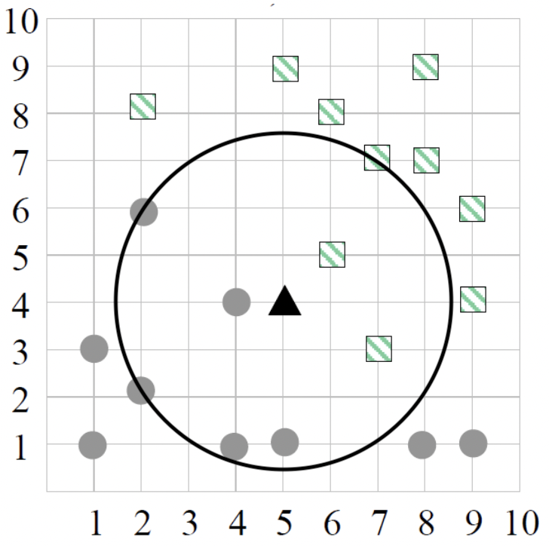
 |  |  |  |  | Answer (1): As shown in the above table and also in |  |  |  | Answer (2): As shown in the above table, points 7, 8, 10 and
 |  |  |  |  | the figure on the left, points 6, 7, 8, 10 and 12 are |  |  |  | 12 with ranks 1, 3, 2 and 3 respectively are the 3 nearest
 |  |  |  |  | the 5 nearest neighbors based on their distances |  |  |  | neighbors based on their Manhattan Distance weights
 |  |  |  |  | from the 'test point'. 3 out of 5 points are |  |  |  | As we have two points with same rank i.e. 3 we will have
 |  |  |  |  | classified as 'negative' and 2 out of 5 points are |  |  |  | two cases.
 |  |  |  |  | classified as 'positive'. |  |  |  | Case (1) : Points 7 (-), 8 (-) and 10 (+). Adding weights of points with (-)
 |  |  |  |  | Hence, as per majority vote, 'test point' will be |  |  |  | class. W(-) = 1 + 0.111 = 1.111 which is greater than W(+) = 0.25
 |  |  |  |  | classified as 'Negative' |  |  |  | Case (2) : Points 7 (-), 10 (+) and 12 (+). Adding weights of points with (+)
 |  |  |  |  |  |  |  |  | class. W(+) = 0.25 + 0.111 = 0.361 which is less than W(-) = 1
 |  |  |  |  |  |  |  |  | In both the cases W(-) > W(+), hence the 'test point' will be
 |  |  |  |  |  |  |  |  | classified as 'Negative'

